Sheet1
S.No | Name | Formula | Context | Limitations | Links
1 | Sortino Ratio | 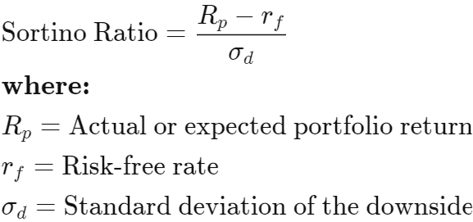 | The Sortino ratio is a variation of the Sharpe ratio that differentiates harmful volatility from total overall volatility by using the asset's standard deviation of negative portfolio returns—downside deviation—instead of the total standard deviation of portfolio returns. The Sortino ratio takes an asset or portfolio's return and subtracts the risk-free rate, and then divides that amount by the asset's downside deviation. The ratio was named after Frank A. Sortino | Since the Sortino ratio uses downside deviation as its measure of risk, any limitations of downside deviation carry over to the Sortino ratio. With downside deviation, there must be enough “bad” observations in order for the calculation to be statistically significant | https://www.investopedia.com/terms/s/sortinoratio.asp
2 | Sharpe Ratio | 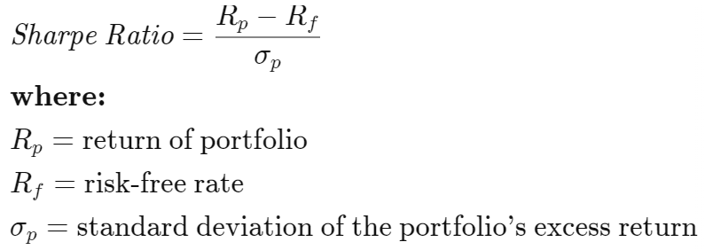 | Sharpe ratio is the measure of risk-adjusted return of a financial portfolio. A portfolio with a higher Sharpe ratio is considered superior relative to its peers. The measure was named after William F Sharpe, a Nobel laureate and professor of finance, emeritus at Stanford University. It is used to help investors understand the return of an investment compared to its risk. The ratio is the average return earned in excess of the risk-free rate per unit of volatility or total risk. Volatility is a measure of the price fluctuations of an asset or portfolio | 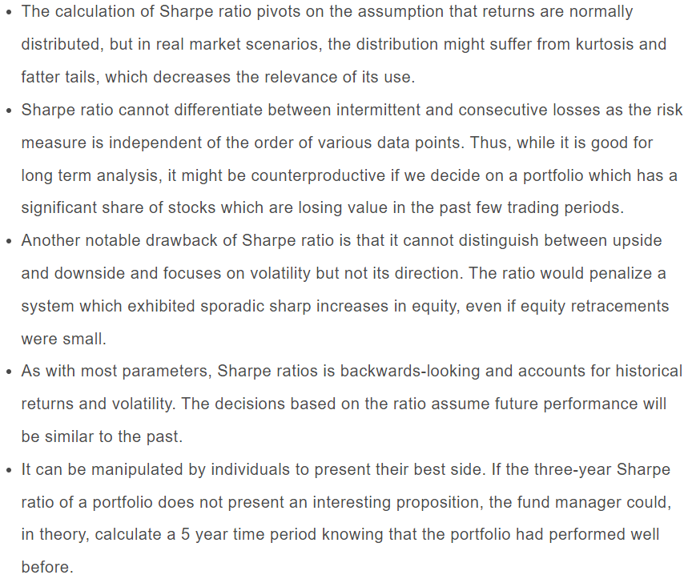 | https://blog.quantinsti.com/sharpe-ratio-applications-algorithmic-trading/#Limitation
3 | Treynor Ratio | 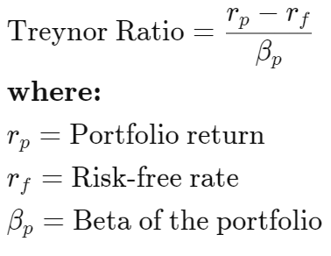 | Treynor Ratio is a risk-adjusted-return measure for historical portfolio evaluation named after Jack Treynor. It is similar to the Sharpe Ratio except instead of total risk, it is the return per unit of market-related risk. A higher ratio represents higher portfolio performance | A main weakness of the Treynor ratio is its backward-looking nature. Investments are likely to perform and behave differently in the future than they did in the past. The accuracy of the Treynor ratio is highly dependent on the use of appropriate benchmarks to measure beta.Additionally, there are no dimensions upon which to rank the Treynor ratio. When comparing similar investments, the higher Treynor ratio is better, all else equal, but there is no definition of how much better it is than the other investments | https://www.investopedia.com/terms/t/treynorratio.asp
4 | Jensen Ratio |  | The Jensen measure calculates the excess return that a portfolio generates over its expected return. This measure of return is also known as alpha.The Jensen ratio measures how much of the portfolio's rate of return is attributable to the manager's ability to deliver above-average returns, adjusted for market risk. The higher the ratio, the better the risk-adjusted returns. A portfolio with a consistently positive excess return will have a positive alpha while a portfolio with a consistently negative excess return will have a negative alpha | (1) it does not reward a portfolio for being well diversified, and (2) it does not reward positive skewness. The Sharpe ratio and Jensen's alpha are appropriate only when investors restrict attention to mean and variance of returns | https://www.investopedia.com/articles/08/performance-measure
5 | Information Ratio | 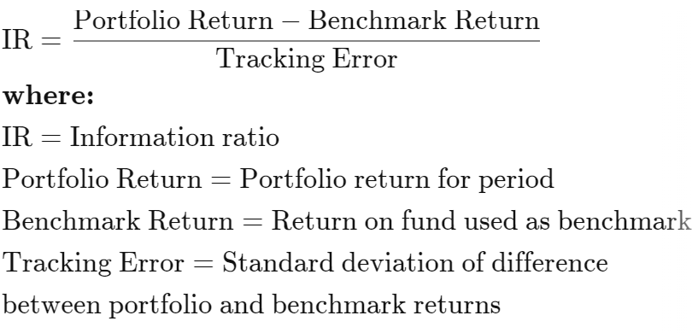 | The Information Ratio (IR) is a ratio that measures the performance of an investment, fund or portfolio by comparing the returns generated with the returns of a benchmark, usually a market index. IR measures the excess returns of a portfolio compared to the returns of a benchmark. This ratio is also used in evaluating the level of skill of a portfolio manager, by checking how much returns the portfolio of investment being managed generated. The information ratio draws this comparison after adjusting the returns for its additional risk or account for the volatility of the returns. IR is otherwise called the appraisal ratio | The fact that the information ratio measures the risk-adjustment returns of an investment which exposes it to diverse interpretations is a major drawback of the ratio. Given that IR can be interpreted differently by many investors due to the influence of preference, investment goals, and risk tolerance levels, it might not be an accurate ratio when making investment decisions. Another argument against the information ratio is that it is better used for simple investment portfolios and not multiple funds, given that comparing multiple funds to a benchmark can give rise to complications in the ratio | https://thebusinessprofessor.com/en_US/investments-trading-financial-markets/information-ratio-definition
6 | Calmar Ratio |  | The Calmar ratio is a gauge of the performance of investment funds such as hedge funds and commodity trading advisors (CTAs). It is a function of the fund's average compounded annual rate of return versus its maximum drawdown. The higher the Calmar ratio, the better it performed on a risk-adjusted basis during the given time frame, which is mostly commonly set at 36 months | 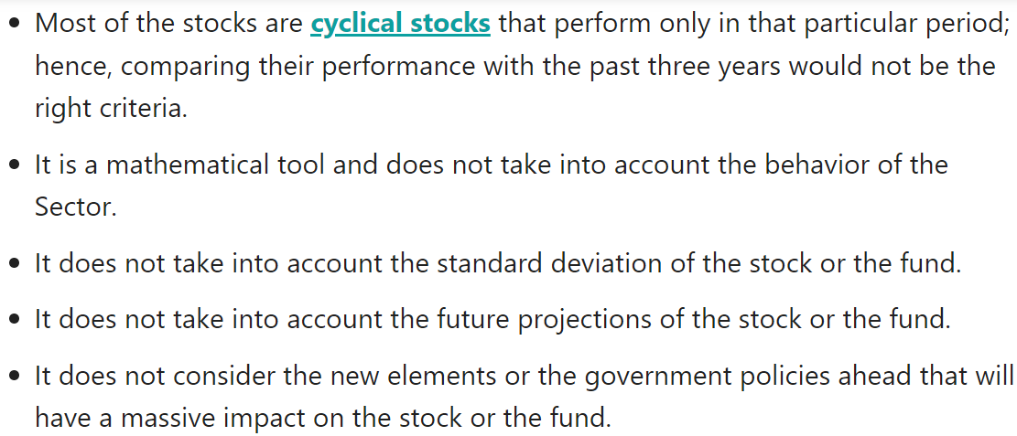 | https://www.wallstreetmojo.com/calmar-ratio/
7 | MAR Ratio |  | A MAR (Managed Accounts Report) ratio is a measurement of returns adjusted for risk that can be used to compare the performance of commodity trading advisors, hedge funds, and trading strategies. The MAR ratio is calculated by dividing the compound annual growth rate (CAGR) of a fund or strategy since its inception by its most significant drawdown. The higher the ratio, the better the risk-adjusted returns | Since the MAR ratio looks at performance since inception, one of its drawbacks for comparisons is not taking into consideration the different timeframes funds or strategies have been in existence | https://www.investopedia.com/terms/m/mar-ratio.asp
8 | Return Over Maximum Drawdown (RoMaD) | RoMaD = portfolio return ÷ maximum drawdown | Return over maximum drawdown is a nuanced way of looking at a hedge-fund performance or portfolio performance in general. Drawdown is the difference between a portfolio's point of maximum return (the "high-water" mark) and any subsequent low point of performance. Maximum drawdown, also called Max DD or MDD, is the largest difference between a high point and a low point.Maximum drawdown is becoming the preferred way of expressing the risk of a hedge-fund portfolio for investors who believe that observed loss patterns over longer periods of time are the best proxy for actual exposure. This is because these same investors believe hedge-fund performance does not follow a normal distribution of returns. | Return over maximum drawdown (RoMaD) is a risk-adjusted return metric used as an alternative to the Sharpe Ratio or Sortino Ratio. Return over maximum drawdown is used mainly when analyzing hedge funds
9 | Sterling Ratio |  | While multiple definitions of the Sterling ratio exist, it measures return over average drawdown, versus the more commonly used max drawdown.While the max drawdown looks back over the entire period and takes the worst point along that equity curve, a quick change of the look back allows one to see what the worst peak to valley loss was for each calendar year as well
10 | Burke Ratio |  | To calculate Burke ratio we take the difference between the portfolio return and the risk free rate and we divide it by the square root of the sum of the square of the drawdowns. To calculate the modified Burke ratio we just multiply the Burke ratio by the square root of the number of datas
11 | Kappa Ratio | 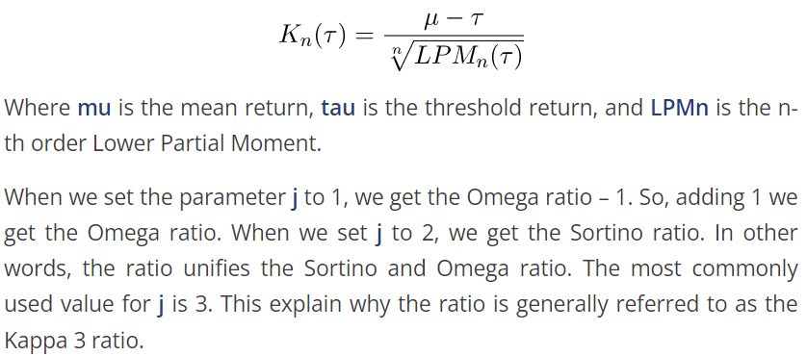 | Kappa is the measurement of an option contract's price sensitivity to changes in the volatility of the underlying asset. Volatility accounts for recent changes in price, historical changes in price, and future price moves. For a trading instrument, like an option, volatility is intended to capture the amount and speed at which the price moves up and down | Kappa falls as the expiration date approaches because the price of an option becomes more sensitive to the price volatility of the underlying asset as its expiration date gets closer. (Options that are expiring immediately have negative kappa.) This is because options that are expiring in the future have greater premiums assigned to them than those options that expire immediately | https://www.investopedia.com/terms/k/kappa.asp

